Sheet1
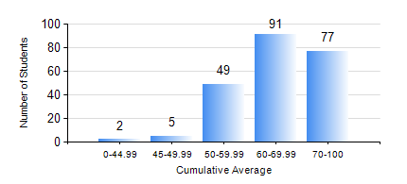
 |  |  | KWAME NKRUMAH UNIVERSITY OF SCIENCE AND TECHNOLOGY, KUMASI Department of Chemical Engineering

 |  |  | BSC. CHEMICAL ENG.

 |  |  | COMPREHENSIVE RECORD OF EXAMINATION RESULTS

 |  |  | RESULTS OF YEAR 1 SECOND SEMESTER, 2020/2021 ACADEMIC YEAR

 | Sn | Course Code |  | Course Name | Credit Hours | Min. Mark | Max. Mark | Avg. Mark | Std. Dev. | No. Passed | No. Trailed | No. (Df) | No. (I) | No. (I*) | No. Tagged(I,I*,Df) | Total
 | 0. |  |  |  |  |  |  | 0 | 0 | 0 | 0 | 0 | 0 | 0 | 0 | 1
 | 1. | CHE 156 |  | PHYSICAL CHEMISTRY FOR ENGINEERS | 2 | 5 | 94 | 64 | 14.04 | 217 | 6 | 0 | 0 | 0 | 0 | 223
 | 2. | CHE 158 |  | INTRODUCTION TO INFORMATION TECHNOLOGY | 2 | 20 | 83 | 61 | 8.74 | 221 | 2 | 0 | 0 | 0 | 0 | 223
 | 3. | EE 152 |  | BASIC ELECTRONICS | 2 | 19 | 97 | 73 | 11.22 | 221 | 2 | 0 | 0 | 0 | 0 | 223
 | 4. | ENGL 158 |  | COMMUNICATION SKILLS II | 2 | 21 | 88 | 71 | 8.71 | 221 | 2 | 0 | 0 | 0 | 0 | 223
 | 5. | MATH 152 |  | CALCULUS WITH ANALYSIS | 4 | 12 | 88 | 63 | 11.78 | 219 | 4 | 0 | 0 | 0 | 0 | 223
 | 6. | ME 162 |  | BASIC MECHANICS | 3 | 5 | 92 | 60 | 13.6 | 221 | 2 | 0 | 0 | 0 | 0 | 223
 | 7. | PHY 170 |  | GENERAL PHYSICS | 3 | 0 | 89 | 66 | 11.75 | 220 | 3 | 0 | 0 | 0 | 0 | 223

